TASK 3.6
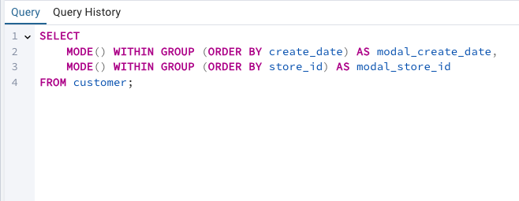
Rockbuster Stealth

DATA OUTPUTS

Created by: Wehad Al-Shaee

TASK 3.6

Summarizing the data for numerical values(Film Table Query)

total_rows | earliest_release_year | latest_release_year | avg_release_year | release_year_count | min_rental_duration | max_rental_duration | avg_rental_duration | rental_duration_count | min_rental_rate | max_rental_rate | avg_rental_rate | rental_rate_count | min_film_length | max_film_length | avg_film_length | film_length_count | min_replacement_cost | max_replacement_cost | avg_replacement_cost | replacement_cost_count
1000 | 2006 | 2006 | 2006 | 1000 | 3 | 7 | 4.985 | 1000 | 0.99 | 4.99 | 2.98 | 1000 | 46 | 185 | 115.272 | 1000 | 9.99 | 29.99 | 19.984 | 1000

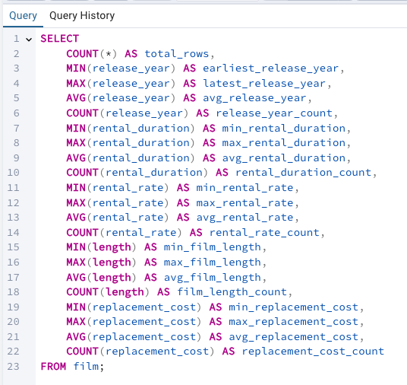

Summarizing the data for the non-numerical values (Film Query Table) |  |  |  | Summarizing the data for the non-numerical values (Customer Query Table)

modal_language_id | modal_rating |  |  | modal_create_date | modal_store_id
1 | PG-13 |  |  | 2006-02-14 | 1

TASK 3.7
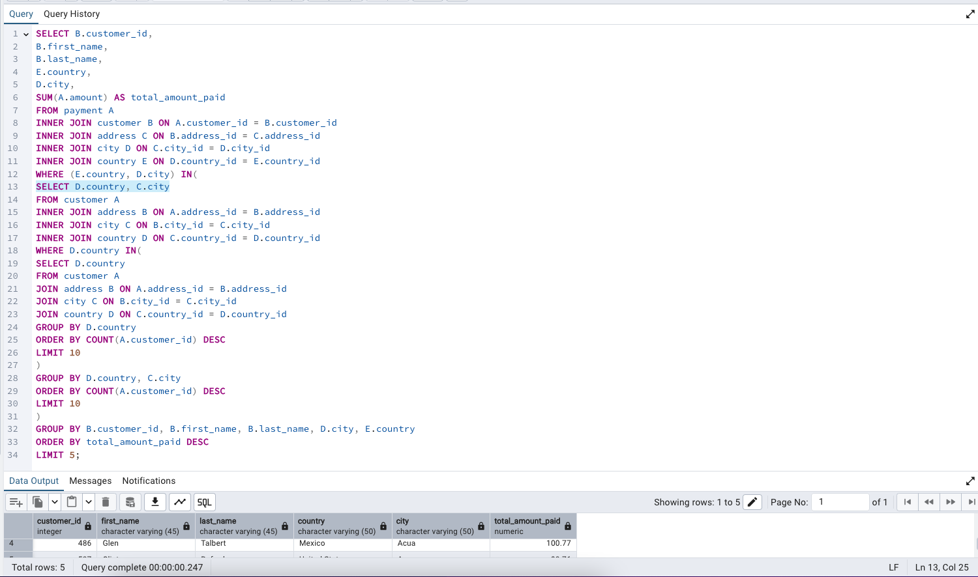
Rockbuster Stealth

DATA OUTPUTS

Created by: Wehad Al-Shaee

TASK 3.7

Query to find the top ten countries for Rock Buster in terms of customer numbers. | Top ten cities that fall within the top ten countries you identified before

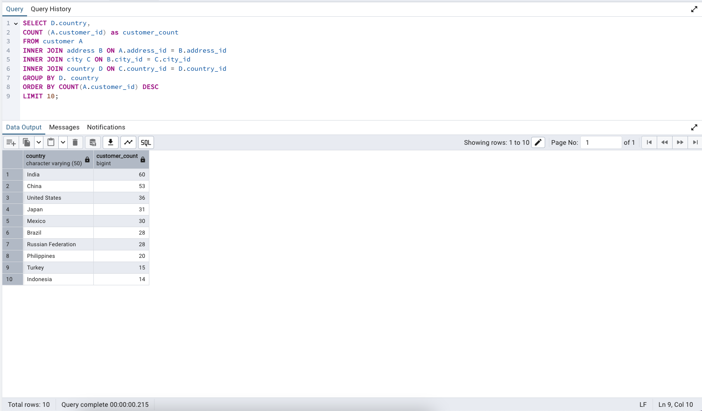
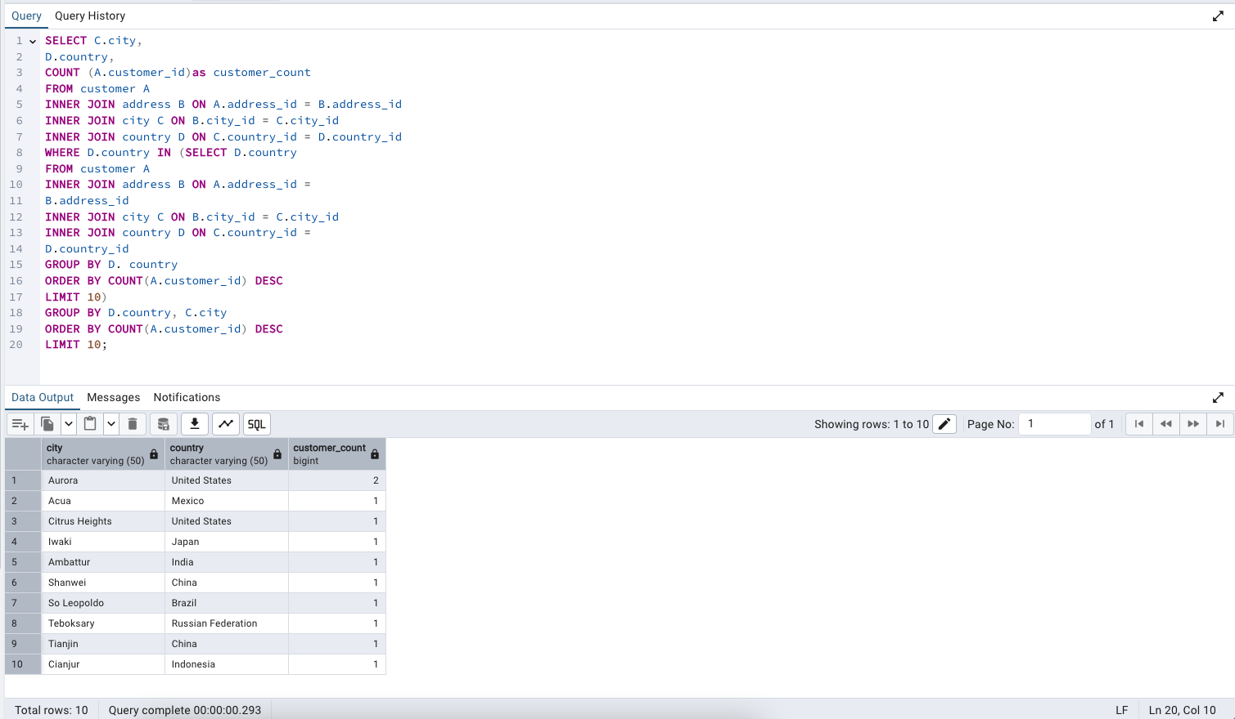

Query to find the top 5 customers from the top 10 cities who’ve paid the highest total amounts to Rockbuster.

